Sheet1
ROCKY MOUNTAIN DISTRICT
EXPENSE REPORT 2026
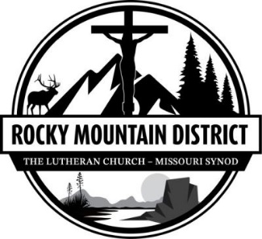

1. Name

Address

City/State/Zip

 |  |  |  | Report Date Submitted

IRS Mileage Rate is 0.725 cents/mile

 |  |  |  |  |  |  |  |  |  | Mail form to District Office - 88 Inverness Circle East, A-210, Englewood, CO 80112 Phone: 303.695.8001
 |  |  |  | OR email to business@rm.lcms.org
2. Purpose of Trip/Expense

3. A. Event Date |  |  |  |  |  |  |  |  |  | J. Totals

B. Personal Car |  |  |  |  |  |  |  |  |  | 0
(Actual Mileage)
C. Amount |  |  |  |  |  |  |  |  |  | $-
(at | $0.725 | per mile) | $- | $- | $- | $- | $- | $- | $-
D. Air-Train-Bus Fares |  |  |  |  |  |  |  |  |  | $-

E. Meals (Include tip) |  |  |  |  |  |  |  |  |  | $-

F. Lodging (Room only) |  |  |  |  |  |  |  |  |  | $-

G. Misc. |  |  |  |  |  |  |  |  |  | $-
(See Instructions)
H. Other (Explain Below) |  |  |  |  |  |  |  |  |  | $-

I. Daily Totals |  |  | $- | $- | $- | $- | $- | $- | $- | $-

4. Explain Other/Misc. |  |  |  |  |  |  |  | K. Total Expenses |  | $-

 |  |  |  |  |  |  |  | L. Less: Total Cash Advance
 |  |  |  |  |  |  |  | M. Bal. Due: | Traveler | $-

 |  |  |  |  |  |  |  |  | District

Travel expense forms must be signed by the traveler and have accompanying receipts with expenses where applicable. Reimbursement may be delayed or denied for not providing these. Mileage reimbursement is limited to the lesser of the mileage rate or airfare. We appreciate our travelers discerning approach to finding sensible costs for the District's business travel.

5. Traveler's Signature |  |  |  | Date |  |  | 6. Executive Approval |  |  | Date

INTERNAL USE ONLY - DISTRIBUTION
 | ACCOUNT |  |  |  | DESCRIPTION |  |  |  | AMOUNT

